Summary Budget - FY23
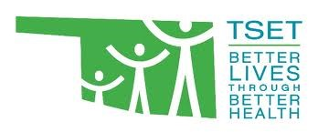
OKLAHOMA TOBACCO SETTLEMENT ENDOWMENT TRUST
TSET Successful Futures Program
FY23 SUMMARY BUDGET
FY23 is a half-year agreement
Grantee Organization:
County:
Contract Number: | leave blank

Budget Period: January 1, 2023 through June 30, 2023

Direct Program Costs |  | TSET Support
1. Personnel |  | $0.00
2. Fringe benefits |  | $0.00
3. In-State Travel/Per Diem [1] |  | $0.00
4. Out-of-State Travel/Per Diem [2] |  | $0.00
5. Training Registration Fees |  | $0.00
6. Purchased Services [3] |  | $0.00
7. Facilities |  | $0.00
8. Supplies |  | $0.00
9. Other |  | $0.00
10. Health Communications [4] |  | $0.00
TOTAL DIRECT PROGRAM COSTS |  | $0.00
Indirect & Administrative Costs [5] |  | $0.00
TOTAL PROGRAM COSTS |  | $0.00
TSET - OFFICIAL USE ONLY
TSET Signature: |  | Date Approved:

[1] All travel reimbursements are made in accordance with the Oklahoma State Travel Reimbursement Act. Click here for Oklahoma travel information and resources.
[2] Out-of-State travel requires pre-approval unless the conference or event is listed in the approved budget and is reimbursement in accordance with federal GSA rates for lodging and per diem. Click here for per diem tool.
[3] Purchased Services items require pre-approval of a Notice of Intent to Subcontract, provided by TSET upon request.
[4] Health Communication items require consultation with TSET’s Health Communication staff.
[5] Indirect and administrative costs are limited to no more than 10% of the total budget.

