Introduction
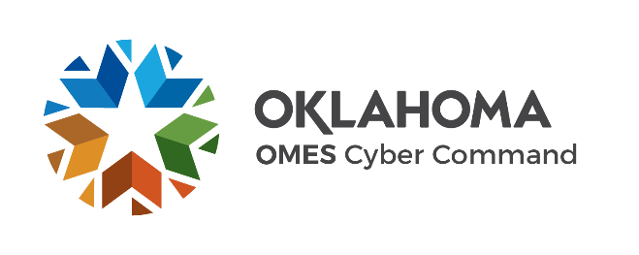
State of Oklahoma Supplier Security Assessment
WHEN COMPLETED, THIS VENDOR SECURITY ASSESSMENT IS CONFIDENTIAL AND PROTECTED FROM DISCLOSURE PURSUANT TO 51 O.S. §24A.28 and 62 O.S. §34.12.C
The purpose of the assessment is for the State of Oklahoma to identify and manage any risk stemming from our business partnerships. This assessment is designed to allow us to gain a better understanding of our supplier’s internal security posture, along with the product, service, and/or solution being offered. Additionally, the State wants to ensure the vendor's overall environment and security protocols will meet the State's minimum-security requirements.
Instructions | Acceptable Answers: "Yes", "No", "N/A". If a "No" or "N/A" answer is provided, please provide explaination in the "Explanaitions/Comments" block to the right. Providing explainations will help minimize the need for follow-up questions during review, prolonging the security review process.
Associated State and Industry Standards
State of Oklahoma Security Statutes, Policies, and Standards | https://oklahoma.gov/omes/services/information-services/is/policies-and-standards.html
NIST CSF | https://www.nist.gov/cyberframework
NIST SP 800-53 r5 | https://csrc.nist.gov/pubs/sp/800/53/r5/upd1/final
NIST SP800-171 r2 | https://csrc.nist.gov/pubs/sp/800/171/r2/upd1/final
CIS CSC | https://www.cisecurity.org/controls
ISO/IEC | https://www.iso.org/standard/27001
ISA | https://www.isa.org/standards-and-publications/isa-standards/isa-iec-62443-series-of-standards
HIPAA Security Rules | https://www.ecfr.gov/current/title-45/subtitle-A/subchapter-C
COBIT 2019 | https://www.isaca.org/resources/cobit
Publish Date: 9/22/2023

