Ton-miles
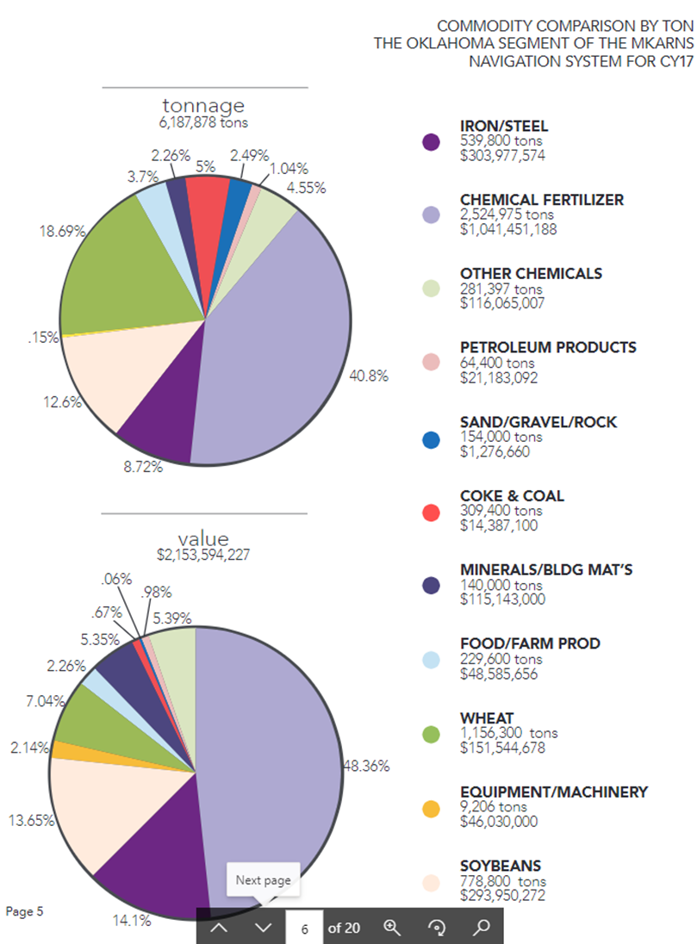
Oklahoma Ton-Mile Information

Tonnage Information in OK Portion (2017)
Commodity | Tons | Ton-Miles | Value
Iron/Steel | 539,800 | 228,569,313 | $303,977,574
Fertilizer | 2,524,975 | 1,069,158,581 | $1,041,451,188
Chemicals (Other) | 281,397 | 119,152,870 | $116,065,007
Petroleum | 64,400 | 27,269,107 | $21,183,092
Aggregates | 154,000 | 65,208,733 | $1,276,660
Coke & Coal | 309,400 | 131,010,273 | $14,387,100
Minerals/Building Materials | 140,000 | 59,280,667 | $115,143,000
Food/Farm Products | 229,600 | 97,220,293 | $48,585,656
Wheat | 1,156,300 | 489,615,963 | $151,544,678
Equipment / Machinery | 9,206 | 3,898,127 | $46,030,000
Soybeans | 778,800 | 329,769,880 | $293,950,272
Total | 6,187,878 | 2,620,153,808 | $2,153,594,227
ODOT 2018 MKARNS Update, Assumes all tonnage comes from the Mississippi River per port operations.

Average Value per Ton
$348.03

Muskogee | Tons
2015 | 705,340
2016 | 578,614
2017 | 696,719
2018 | 658,304
2019 | 316,547
2015-2018 Average | 659,744
ODOT: Port of Muskogee

Catoosa | Total Tons | Ports % | Port Tons
2015
2016
2017
2018 | 10,932,172 | 19% | 2,077,113
2019 | 8,480,645 | 16% | 1,356,903

ODOT: Port of Catoosa

Oklahoma River Miles | Mile Marker
Oklahoma State Border | 308.7
Muskogee | 393.5
Oakley's 33 - Main | 432.0
Catoosa | 444.8
OK Average River Miles | 136.1
Average River Miles | 423.4
https://www.swt.usace.army.mil/Missions/Navigation/Navigation-Charts/

