PSO
 | PSO Issuance Advice Letter provided to offices on September 2, 2022
 | Description | Entity | Estimated Expense - Per Issuance Advice Letter | Actual Expense | Difference |  | COI Per Closing Order | $3,009,091.57
 | Underwriters' Fees | RBC Capital Markets, Citigroup Global Markets, BOK Financial Securities, Morgan Stanley, FHN Financial Capital Markets | $2,894,367.43 | $2,894,367.43 |  |  | Paid COI Invoices | -$2,593,582.91
 | Underwriters' Legal Fees and Expenses | Paul, Weiss, Rifkind, Wahrton & Garrison LLP ($375,000) and Williams, Box, Forshee & Bullard, P.C. ($25,000) | $400,000.00 | $400,000.00 | $- |  | Net after COI | $415,508.66
 | PSO Legal Expenses - 10(b)(5) Opinions | Gable Gotwals and PWA | $200,000.00 | $184,221.50 | $15,778.50 |  | Interest Earned | $43,598.74
 | Issuer Acceptance Fee | Oklahoma Development Finance Authority | $100,000.00 | $100,000.00 | $- |  | RBC Captial Markets Funds | $250,000.00
 | State of Oklahoma Council of Bond Oversight Fee and Expenses | State of Oklahoma Council of Bond Oversight | $75,192.00 | $75,192.00 | $-
 | Bond Counsel Fee and Expenses | Public Finance Law Group PLLC | $144,636.70 | $144,636.70 | $- |  | Current BONY Balance | $709,107.40
 | Rating Agency Fees and Related Expenses | Fitch Ratings and Standard & Poor's | $654,651.00 | $654,651.00 | $-
 | Printing | ImageMaster LLC | $5,000.00 | $2,795.36 | $2,204.64
 | Trustee's/Trustee Counsel's Fees and Expenses | Bank of Oklahoma and Frederic Dowart, Lawyers | $20,000.00 | $20,000.00 | $-
 | Issuer Legal Counsel | Skarky Law Firm, PLLC | $50,000.00 | $50,000.00 | $-
 | Issuer and Oklahoma Corporation Counsel Financial Advisor Fees and Expenses | Hilltop Securities Inc | $410,000.00 | $410,000.00 | $-
 | Counsel to Financial Advisor to Issuer and Oklahoma Corporation Commission | Hunton Andrews Kurth | $150,000.00 | $34,832.00 | $115,168.00
 | Oklahoma Corporation Commission Counsel - Contracted through Financial Advisor | Norton Rose Fullbright US LLP | $50,000.00 | $12,079.35 | $37,920.65
 | Special Counsel | Norton Rose Fullbright US LLP | $530,000.00 | $520,000.00 | $10,000.00
 | Disclosure Counsel | Nixon Peabody | $260,000.00 | $260,000.00 | $-
 | State of Oklahoma Attorney General Fee | State of Oklahoma Attorney General | $75,192.00 | $75,192.00 | $-
 | Bond Link | Bond Link | $23,325.00 | $20,000.00 | $3,325.00
 | Rule 17g-5 Website | 17g-5.com (Finsight) | $4,000.00 | $4,000.00 | $-
 | Internet Roadshow | ImageMaster LLC | $5,000.00 | $3,750.00 | $1,250.00
 | External Accountants - Comfort on Offering Documents | PWC LLP | $110,000.00 | $90,000.00 | $20,000.00
 | Reimbursemnt of Sidley Austin 10b-5 | Sidley |  | .
 |  | Bondlink 1/4 |  | $2,125.00 | $(2,125.00)
 |  | BONY |  | $5,000.00 | $(5,000.00)
 |  | Bondlink 1/4 |  | $300.00 | $(300.00)
 |  |  |  | $-
 | Redeposit from RBC | RBC Credit | $- | $(250,000.00) | $250,000.00

 |  | Rounding /Contingency (per IAL) | $142,094.87 |  | $142,094.87

 | Total Non Utility External Issuance Costs |  | $6,303,459.00 | $5,713,142.34 | $590,316.66

 | Utility's Counsel Legal Fees and Expenses (Non-Opinion) |  | $250,000.00 | $602,965.70
 | SIDLEY AUSTIN LLP |  |  | 26,934.00
 | SIDLEY AUSTIN LLP |  |  | 2,020.05
 | SIDLEY AUSTIN LLP |  |  | 36,597.50
 | SIDLEY AUSTIN LLP |  |  | 4,287.50
 | SIDLEY AUSTIN LLP |  |  | 4,667.50
 | SIDLEY AUSTIN LLP |  |  | 50,412.50
 | SIDLEY AUSTIN LLP |  |  | 40,390.00
 | SIDLEY AUSTIN LLP |  |  | 345,564.17
 | SIDLEY AUSTIN LLP |  |  | 25,917.31
 | SIDLEY AUSTIN LLP |  |  | 67,091.67
 | SIDLEY AUSTIN LLP |  |  | 1,335.00
 | GABLE GOTWALS |  |  | 778.50
 | WCF - Regulatory Proceeding |  |  | 131,970.00
 | BOK - Reimbursement for SIDLEY AUSTIN LLP Invoice Payment |  |  | (135,000.00)
 | Utility's Legal Securitization Proceeding Costs and Expenses | WCG Law | $53,820.00 | $- | $(53,820.00)
 | Utility's Advisor Fee |  | $200,000.00 |  | $(200,000.00)
 | PWC SEC Preclearance Cost | PWC LLP | $50,000.00 | $- | $(50,000.00)
 | Utility's Miscellaneous Administrative Costs |  | $6,180.00 |  | $(6,180.00)
 | Servicer's Set-Up Costs | PSO | $140,000.00 | $168,298.40 | $28,298.40
 | Total Utility Issuance Costs |  | $700,000.00 | $771,264.10 | $71,264.10 | PSO will absorb expense over $700K

 | Unspent Rounding Amount/Contingency |  |  |  | $590,316.66
 |  | Interest Earnings in Cost of Issuance Account |  |  | $43,598.74
 | Total Accounted for in Future True-Up as Credit * |  |  |  | $633,915.40 | Amount to be returned to customers through Excess Sub Account Balance

 | Total Issuance Costs & Rounding/Contingency Amount |  | $7,003,459.00 | $6,484,406.44

 | Deposit to Debt Service Reserve Subaccount (DSRS) |  | $3,484,600.00 | $3,484,600.00

 | Total |  | $10,488,059.00 | $9,969,006.44 | $519,052.56 | Total Cost Less than Estimated

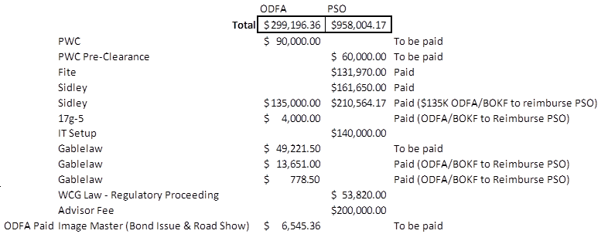

ODFA Paid

